Sheet1
Play tennis dataset

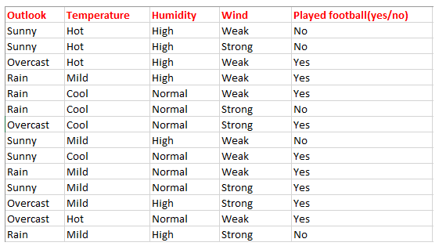

Constructing decision tree manually

No of independent variables/features=4
NO of Target feature=1
Independent features----->Outlook,Temperature,Humidity,Wind
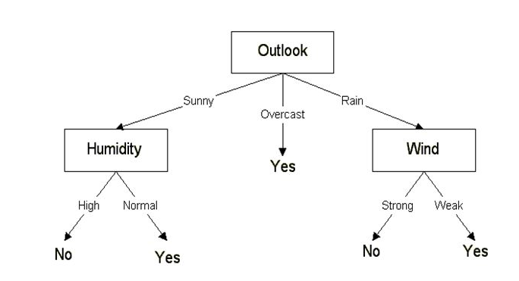
Dependent feature-----> decision(Play or no)

9Y|5NO
Outlook
Sunny
Overcast
Rainy

2Y|3 No
4Y|0 NO
3Y|2 NO
Humidity
Leaf nodes
Wind

High
Strong
Normal
Weak

0Y|3NO
2Y|0 NO
0Y|2 NO
3Y| 0 NO
Leaf nodes
Leaf nodes
Leaf nodes
Leaf nodes

Step-1: Selecting the root node
* Feature which has high information gain is selected as root node
Information gain formula---->

9Y|5NO
9Y|5NO
9Y|5NO
9Y|5NO
Outlook
Temperature
Humidity
Wind
Sunny
Overcast
Rainy
Hot
High
Strong
Mild
Cool
Normal
Weak

3Y|2 NO
3Y|1 NO
6Y|2 NO
2Y|3 NO
2Y|2 NO
3Y|4 NO
6Y|1 NO
3Y|3 NO
4Y|2 NO
4Y|0 NO

* Entropy need to calculate to find Information gain
E(S)=-9/14*log2(9/14)-5/14*log2(5/14)
IG(S,outlook)=E(S)-E(S,outlook)
E(S)=-9/14*log2(9/14)-5/14*log2(5/14)
E(S)=0.94
E(S,Outlook)=5/14*E(Sunny)+4/14*E(Overcast)+5/14*E(Rainy)
E(S,Outlook)=5/14*[-2/5log2(2/5)-3/5log2(3/5)]+4/14*[-4/4log2(4/4)-0/4log2(0/4)]+5/14*[-3/5log2(3/5)-2/5log2(2/5)]
IG(S,Outlook)=0.94-0.693
IG(S,Outlook)=0.247

E(S,Temperature)=4/14*E(Hot)+6/14*E(Mild)+4/14*E(Cool)
E(S,Temperature)=4/14*[-2/4log2(2/4)-2/4log2(2/4)]+6/14*[-4/6log2(4/6)-2/6log2(2/6)]+4/14*[-3/4log2(3/4)-1/4log2(1/4)]
IG(S,Temperature)=0.94-0.908
IG(S,Temperature)=0.03

E(S,Humidity)=7/14*E(High)+8/14*E(Normal)
E(S,Humidity)=7/14*[-3/6log2(3/6)-3/6log2(3/6)]+7/14*[-6/8log2(6/8)-2/8log2(2/8)]
IG(S,Humidity)=0.94-0.7871
IG(S,Humidity)=0.152

E(S,wind)=6/14*E(Strong)+8/14*E(weak)
E(S,wind)=6/14*[-3/6log2(3/6)-3/6log2(3/6)]+8/14*[-6/8log2(6/8)-2/8log2(2/8)]
IG(S,wind)=0.94-0.893
IG(S,wind)=0.046

* IG of outlook is high so it is selected as root node
Step-2: selecting the 2nd decision tree
Below Sunny
2Y|3N
2Y|3N
2Y|3 N
Wind
Tempearure
Humidity
Hot
High
Strong
Cool
Mild
Normal
Weak

1Y|0 NO
0Y|3NO
2Y|0 NO
1Y|1 NO
1Y| 2 NO
0Y|2 NO
1Y|1 NO

9Y|5NO
Outlook
E(Sunny)=-2/5*log2(2/5)-3/5*log2(3/5)=0.970
E(Sunny,Temperature)=2/5*E(Hot)+2/5*E(Mild)+1/5*E(Cool)
E(Sunny,temperature)=2/5*[0]+2/5*[-1/2log2(1/2)-1/2log2(1/2)]+2/5*[0]
Sunny
IG(Sunny,temperature)=0.97-0.4
Rainy
Overcast
IG(Sunny,temperature)=0.57

3Y|2 NO
E(Sunny,Humidity)=3/5*E(High)+2/5*E(Normal)
E(Sunny,Humidity)=3/5*[0]+3/5*[0]
IG(Sunny,Humidity)=0.97-0
4Y|0 NO
IG(Sunny,Humidity)=0.97
2Y|3 No
Humidity
High
Normal
E(Sunny,Wind)=2/5*E(strong)+3/5*E(weak)
E(Sunny,Wind)=2/5*[-1/2log2(1/2)-1/2log2(1/2)]+3/5*[-1/3log2(1/3)-2/3log2(2/3)]
IG(Sunny,Wind)=0.97-0.949
IG(Sunny,Wind)=0.02

0Y|3NO
2Y|0 NO
* IG of(sunny,Humidity) is high it comes under sunny

3Y|2N
3Y|2N
Below Rainy
3Y|2 N
Wind
Humidity
Hot
Tempearure
Strong
High
Weak
Cool
Mild
Normal

1Y|1 NO
0Y|2 NO
3Y| 0 NO
0Y|0 NO
1Y|1 NO
2Y|1 NO
2Y|1 NO

Outlook
Sunny
Overcast
Rainy
E(rainy)=-3/5*log2(3/5)-2/5*log2(2/5)=0.971
E(rainy,Temperature)=0/5*E(Hot)+3/5*E(Mild)+2/5*E(Cool)
E(rainy,temperature)=0+3/5*[-2/3log2(2/3)-1/3log2(1/3)]+2/5*[-1/2log2(1/2)-1/2log2(1/2)]
IG(rainy,temperature)=0.971-0.951
IG(rainy,temperature)=0.02
2Y|3 NO
4Y|0 NO
3Y|2 NO
E(rainy,Humidity)=2/5*E(High)+3/5*E(Normal)
E(rainy,Humidity)=2/5*[-1/2log2(1/2)-1/2log2(1/2)]+3/5*[-2/3log2(2/3)-1/3log2(1/3)]
IG(rainy,Humidity)=0.971-0.951
Wind
IG(rainy,Humidity)=0.02

Strong
Weak
E(rainy,Wind)=2/5*E(strong)+3/5*E(weak)
E(rainy,Wind)=2/5*[0]+3/5*[0]
IG(rainy,Wind)=0.971-0
3Y| 0 NO
IG(rainy,Wind)=0.971
0Y|2 NO
* IG of(rainy,wind) is high it comes under rainy

 | Entropy | Gini impurity
 | 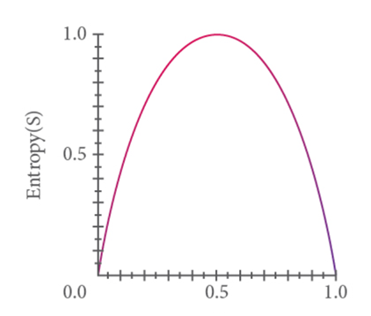 Entropy ranges between 0 to 1 | 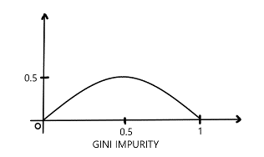 Gini impurity ranges between 0 to 0.5
 | Entropy is slow to calculate because of log function | Gini is fast

